Sheet1
No | Type | Manufacturer | Part Number | Vehicle | OEM | Picture | Url
1 | Fuel Tank Cap | MOTORCRAFT | FC1013 | FORD ESCAPE 2001-2006 MERCURY MARINER 2005-2006 | 5L8Z9030BA | 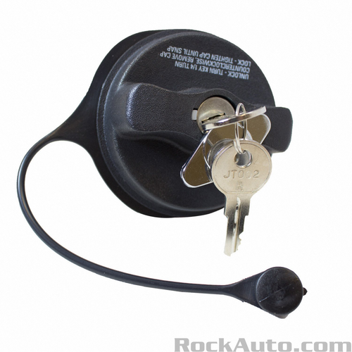 | https://www.rockauto.com/en/parts/motorcraft,FC1013,fuel+tank+cap,5900
2 | Fuel Tank Cap | MOTORCRAFT | FC1015 | FORD E-250 1990-1991 FORD E-350 1990-2007 FORD E-450 2000-2007 FORD E-550 2002-2003 FORD F-250 SUPER DUTY 2006-2008 FORD F-350 SUPER DUTY 2006-2008 FORD F-450 SUPER DUTY 2006-2008 FORD F-550 SUPER DUTY 2006-2007 | 6C3Z9030CA | 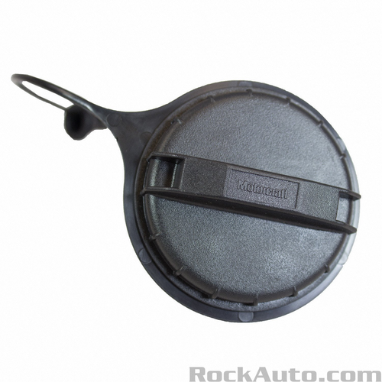 | https://www.rockauto.com/en/parts/motorcraft,FC1015,fuel+tank+cap,5900
3 | Fuel Tank Cap | MOTORCRAFT | FC1018 | FORD ESCAPE 2006-2010 MERCURY MARINER 2006-2010 | 6L8Z9030BA | 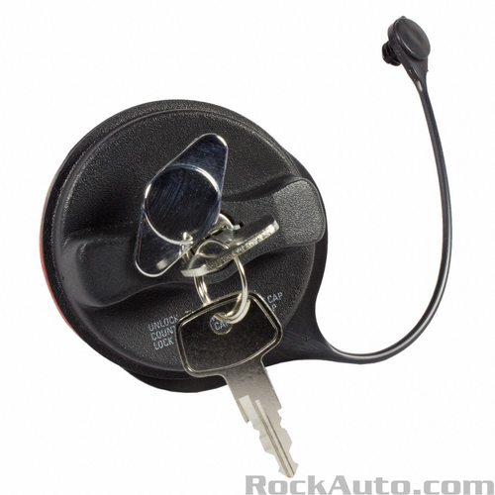 | https://www.rockauto.com/en/parts/motorcraft,FC1018,fuel+tank+cap,5900
4 | Fuel Tank Cap | MOTORCRAFT | FC1021 |  | 4F139030AB;4F1Z9030AA;FC987 | 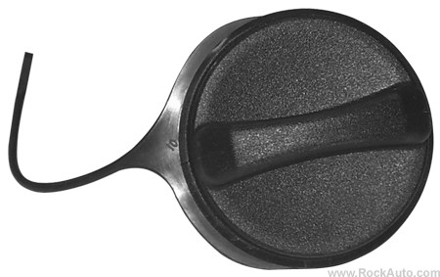 | https://www.rockauto.com/en/parts/motorcraft,FC1021,fuel+tank+cap,5900
5 | Fuel Tank Cap | MOTORCRAFT | FC1024 | FORD MUSTANG 2006-2007 | 6R3Z9030B | 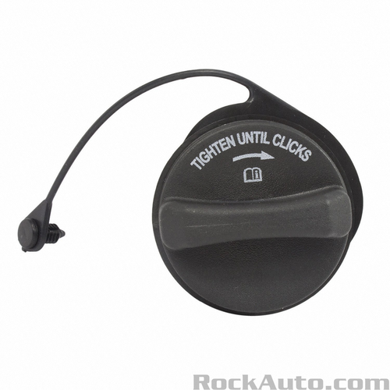 | https://www.rockauto.com/en/parts/motorcraft,FC1024,fuel+tank+cap,5900
6 | Fuel Tank Cap | MOTORCRAFT | FC1032 | FORD MUSTANG 2005-2007 | 6R3Z9030A;FC1006 | 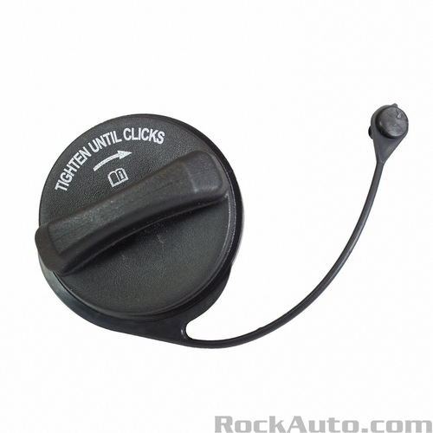 | https://www.rockauto.com/en/parts/motorcraft,FC1032,fuel+tank+cap,5900
7 | Fuel Tank Cap | MOTORCRAFT | FC1036 | FORD ESCAPE 2001-2006 MERCURY MARINER 2005-2006 | 6L8Z9030B;FC967;YL8A9030AA;YL8Z9030AA | 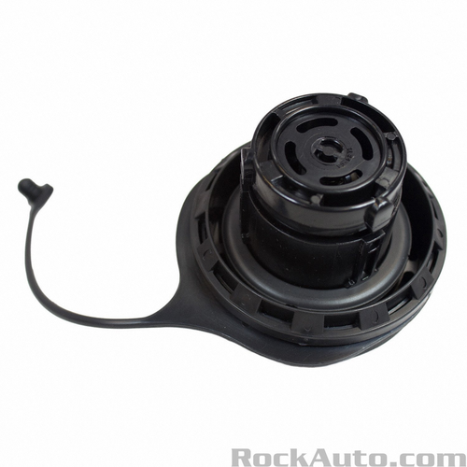 | https://www.rockauto.com/en/parts/motorcraft,FC1036,fuel+tank+cap,5900
8 | Fuel Tank Cap | MOTORCRAFT | FC1054 | FORD EXPLORER 2007-2010 FORD EXPLORER SPORT TRAC 2007-2009 FORD FIVE HUNDRED 2007 FORD FOCUS 2008 FORD FREESTYLE 2005-2007 FORD TAURUS 2008-2009 MERCURY MONTEGO 2007 MERCURY MOUNTAINEER 2007-2010 MERCURY SABLE 2008-2009 | 8L2Z9030A | 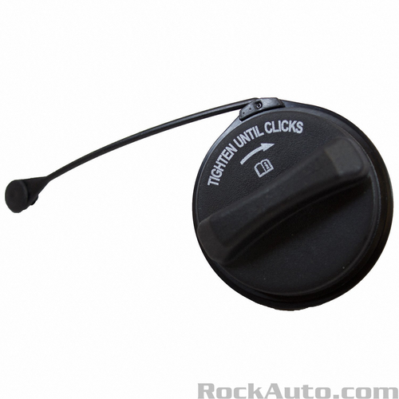 | https://www.rockauto.com/en/parts/motorcraft,FC1054,fuel+tank+cap,5900
9 | Fuel Tank Cap | MOTORCRAFT | FC1055 | FORD EXPLORER 2005-2007 FORD TAURUS 2004-2007 MERCURY MOUNTAINEER 2005-2007 MERCURY SABLE 2004-2005 | 6L2Z9030E;FC1033 | 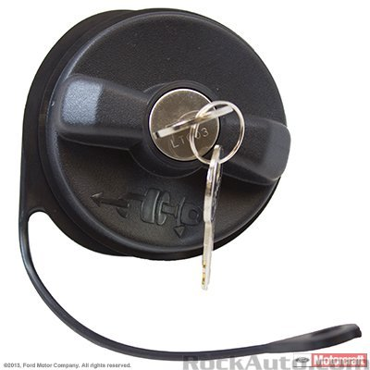 | https://www.rockauto.com/en/parts/motorcraft,FC1055,fuel+tank+cap,5900
10 | Fuel Tank Cap | MOTORCRAFT | FC1058 | FORD EXPLORER 2005-2010 FORD EXPLORER SPORT TRAC 2007-2010 FORD FREESTYLE 2005-2007 FORD TAURUS 2006-2011 MERCURY MOUNTAINEER 2004-2010 MERCURY SABLE 2008-2009 | 6L2Z9030F | 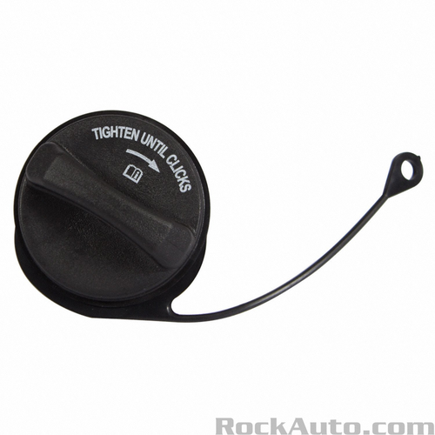 | https://www.rockauto.com/en/parts/motorcraft,FC1058,fuel+tank+cap,5900

